Sheet1
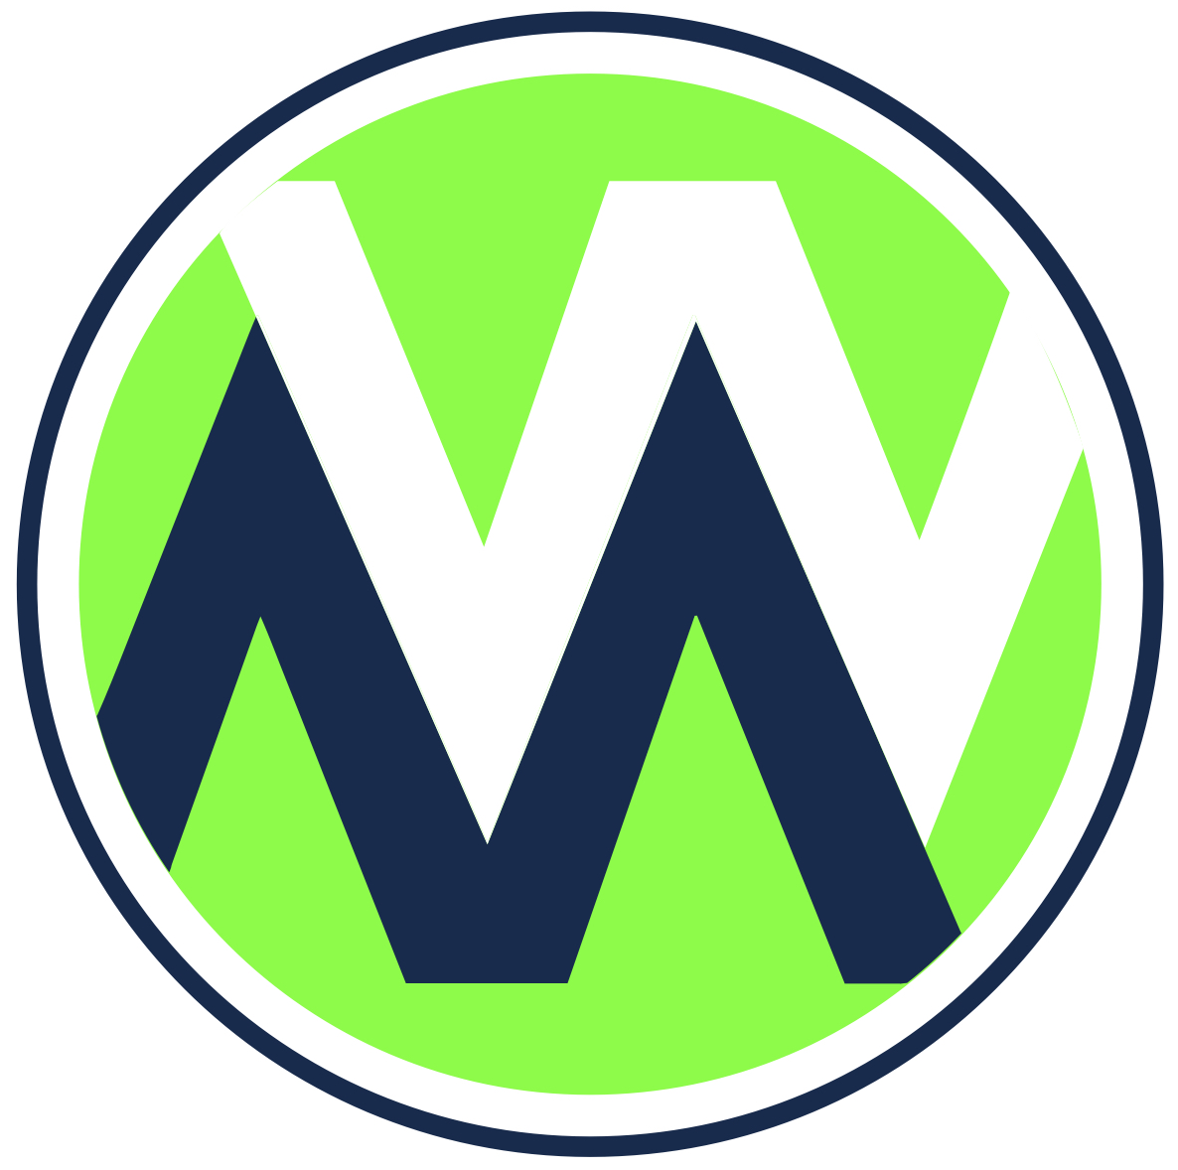 2026 MALECEK WRESTLING TEAMS

TEAM | TEAM | TEAM
Adams Central, IN | Albany, MN
Albert Lea, MN | Alexandria, MN
Batavia, IL | Bemidji, MN
Brainerd Warriors, MN | Buffalo, MN
Cambridge-Isanti, MN | Canton, SD
Cedar Rapids Prairie, IA | Coon Rapids, MN
Denmark, WI | Geneseo, IL
Germantown, WI | Glenbard East, IL
Glenbrook South, IL | Grayslake Central, IL
Illinois Top Dawgs/Mahomet-Seymour, IL | Iowa Grant/Highland, WI
Jay County, IN | Lena/Bonduel, WI
Lodi, WI | Long Prairie Grey Eagle Browerville, MN
Mahtomedi, MN | Marathon, WI
Mautson, WI | Milaca, MN
Mille Lacs, MN | Northfield, MN
Oconto Falls, WI | Oswego East, IL
Pequot Lakes Pine River-Backus, MN | Pulaski, WI
Reedsburg, WI | Rochester Century, MN
Roncalli, IN | St. Francis Wheaton, IL
United North Central, MN | Vernon Hills, IL
Watertown, WI | Waukon, IA
Waunakee, WI | WCAABE, MN
West Monona, IA | Weyauwega-Fremont, WI
Wheaton Warrenville South, IL | Wisconsin Rapids, WI
Xavier-Cedar Rapids, IA | Zimmerman, MN

